Formation Tops

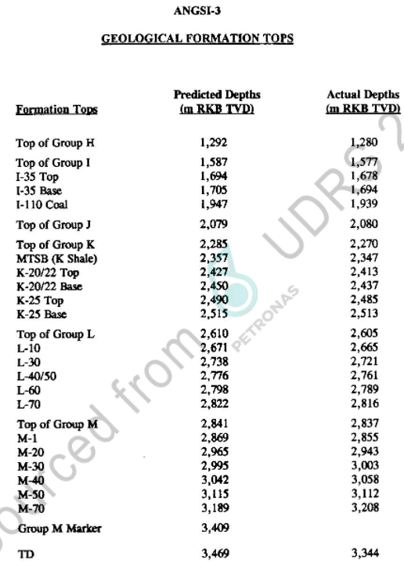
Formation Tops (Markers)
Formation Tops Name | Depth m MDDF | Depth MTVDSS
Top Group H | 1280 | 1258
Top Group I | 1577 | 1555
I35 Top | 1678 | 1656
I35 Base | 1694 | 1672
,
I110 Coal | 1939 | 1917
Top Group J | 2080 | 2058
Top Group K | 2270 | 2248
K Shale | 2347 | 2325
K20/22 Top | 2413 | 2391
K20/22 Base | 2437 | 2415
K25 Top | 2485 | 2463
K25 Base | 2513 | 2491
Top Group L | 2605 | 2583
L10 | 2665 | 2643
L30 | 2721 | 2699
L40/50 | 2761 | 2739
L60 | 2789 | 2767
L70 | 2816 | 2794
Top Group M | 2837 | 2815
M1 | 2855 | 2833 | Page 11
M20 | 2943 | 2921
M30 | 3003 | 2981
M40 | 3058 | 3036
M50 | 3112 | 3090
M70 | 3208 | 3186
TD | 3344 | 3322

Pressure Data
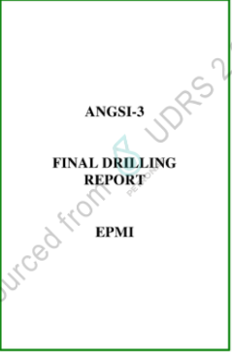
 |  |  | Pressure Data |  |  |  |  |  | name the pressure set sensibly, e.g. 'RFT', 'MDT_run1', split up as necessary etc | Temprature (oF)
m MDDF | m TVDDF | m TVDSS | Fm Pressure (psi) | Fm pressure (ppg) | Data Type | Quality | Mobility | Remark
2567.5 |  | 2545.5 |  |  | MDT | Invalid |  | Tight | MDT Run #1 | 267
2567.4 |  | 2545.4 | 4273.1 | 9.84 | MDT | Good |  | Valid | MDT Run #1 | 267
2557.0 |  | 2535.0 |  |  | MDT | Invalid |  | Invalid | MDT Run #1 | 268
2556.7 |  | 2534.7 |  |  | MDT | Invalid |  | Tight | MDT Run #1 | 267
2544.2 |  | 2522.2 |  |  | MDT | Invalid |  | Tight | MDT Run #1 | 267
2554.5 |  | 2532.5 |  |  | MDT | Invalid |  | Tight | MDT Run #1 | 267
2555.4 |  | 2533.4 | 4207.0 | 9.73 | MDT | Poor |  | Tight | MDT Run #1 | 267
2555.3 |  | 2533.3 | 4188.1 | 9.69 | MDT | Good |  | Valid | MDT Run #1 | 268
2549.5 |  | 2527.5 |  |  | MDT | Invalid |  | Tight | MDT Run #1 | 267
2549.4 |  | 2527.4 |  |  | MDT | Invalid |  | Tight | MDT Run #1 | 267
2528.8 |  | 2506.8 | 4101.1 | 9.59 | MDT | Good |  | Valid | MDT Run #1 | 265
2419.2 |  | 2397.2 |  |  | MDT | Invalid |  | Tight | MDT Run #1 | 262
2519.0 |  | 2497.0 | 4160.0 | 9.77 | MDT | Poor |  | Supercharged | MDT Run #1 | 263
2512.2 |  | 2490.2 | 3951.3 | 9.30 | MDT | Good |  | Valid | MDT Run #1 | 262
2517.5 |  | 2495.5 |  |  | MDT | Invalid |  | Tight | MDT Run #1 | 263
2498.2 |  | 2476.2 | 3955.4 | 9.36 | MDT | Good |  | Valid | MDT Run #1 | 259
2494.5 |  | 2472.5 | 3982.8 | 9.44 | MDT | Good |  | Valid | MDT Run #1 | 258
2492.0 |  | 2470.0 |  |  | MDT | Invalid |  | Tight | MDT Run #1 | 257
2492.2 |  | 2470.2 | 3984.0 | 9.45 | MDT | Poor |  | Tight | MDT Run #1 | 257
2494.3 |  | 2472.3 | 3985.3 | 9.45 | MDT | Invalid |  | Invalid | MDT Run #1 | 251 | Page 31-34
2487.0 |  | 2465.0 | 3930.4 | 9.35 | MDT | Good |  | Valid | MDT Run #2 | 266
2465.1 |  | 2443.1 | 3967.0 | 9.52 | MDT | Poor |  | Supercharged | MDT Run #2
2424.2 |  | 2402.2 | 3781.7 | 9.23 | MDT | Good |  | Valid | MDT Run #2
2422.1 |  | 2400.1 | 3794.2 | 9.27 | MDT | Good |  | Valid | MDT Run #2 | 261
2419.7 |  | 2397.7 | 3808.0 | 9.31 | MDT | Poor |  | Supercharged | MDT Run #2
2414.4 |  | 2392.4 | 3775.5 | 9.25 | MDT | Good |  | Valid | MDT Run #2 | 261
2112.4 |  | 2090.4 | 3018.6 | 8.46 | MDT | Good |  | Valid | MDT Run #2 | 242
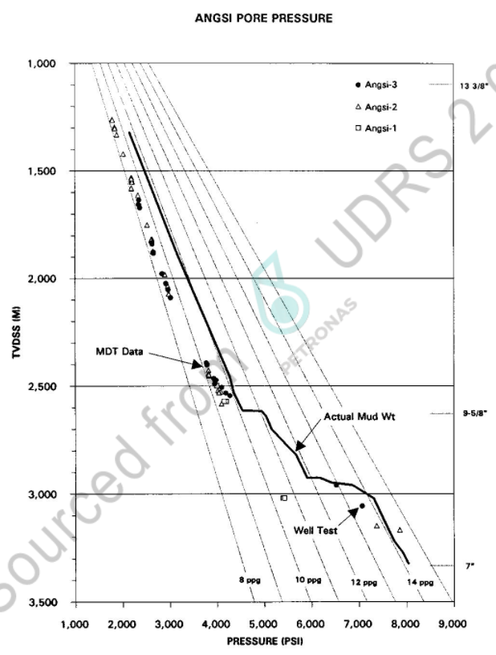
2075.5 |  | 2053.5 | 2968.5 | 8.47 | MDT | Good |  | Valid | MDT Run #2 | 240
2047.6 |  | 2025.6 | 2921.9 | 8.46 | MDT | Good |  | Valid | MDT Run #2 | 239
2045.0 |  | 2023.0 | 2919.3 | 8.46 | MDT | Good |  | Valid | MDT Run #2 | 238
2000.2 |  | 1978.2 |  |  | MDT | Invalid |  | Invalid | MDT Run #2
2000.4 |  | 1978.4 | 2837.4 | 8.41 | MDT | Good |  | Valid | MDT Run #2 | 235
1905.4 |  | 1883.4 | 2662.1 | 8.29 | MDT | Good |  | Valid | MDT Run #2 | 230
1899.2 |  | 1877.2 | 2652.2 | 8.28 | MDT | Good |  | Valid | MDT Run #2 | 230
1865.5 |  | 1843.5 |  |  | MDT | Invalid |  | Seal failure | MDT Run #2
1865.0 |  | 1843.0 |  |  | MDT | Invalid |  | Seal failure | MDT Run #2
1861.7 |  | 1839.7 | 2628.6 | 8.38 | MDT | Good |  | Valid | MDT Run #2 | 228
1855.5 |  | 1833.5 | 2626.1 | 8.40 | MDT | Good |  | Valid | MDT Run #2 | 227
1803.0 |  | 1781.0 |  |  | MDT | Invalid |  | Tight | MDT Run #2
1693.3 |  | 1671.3 | 2367.9 | 8.30 | MDT | Good |  | Valid | MDT Run #2 | 220
1692.0 |  | 1670.0 | 2366.3 | 8.31 | MDT | Good |  | Valid | MDT Run #2 | 219
1681.0 |  | 1659.0 | 2353.8 | 8.32 | MDT | Good |  | Valid | MDT Run #2 | 219
1658.0 |  | 1636.0 | 2346.8 | 8.41 | MDT | Good |  | Valid | MDT Run #2 | 217
1653.0 |  | 1631.0 |  |  | MDT | Invalid |  | Tight | MDT Run #2 | 216
1653.2 |  | 1631.2 |  |  | MDT | Invalid |  | Tight | MDT Run #2 | 216
2677.5 |  | 2655.5 | 5154.0 | 11.38 | MDT | Good |  | Valid | Run #3 | 281
2674.7 |  | 2652.7 |  |  | MDT | Invalid |  | Supercharged | Run #3 | 281
2675.8 |  | 2653.8 |  |  | MDT | Invalid |  | Supercharged | Run #3 | 281
2675.6 |  | 2653.6 |  |  | MDT | Invalid |  | Tight | Run #3 | 280
2676.1 |  | 2654.1 |  |  | MDT | Invalid |  | Supercharged | Run #3 | 281
2724.5 |  | 2702.5 |  |  | MDT | Invalid |  | Tight | Run #3 | 282
2724.4 |  | 2702.4 |  |  | MDT | Invalid |  | Tight | Run #3 | 283
2722.4 |  | 2700.4 |  |  | MDT | Invalid |  | Tight | Run #3 | 283
2722.6 |  | 2700.6 |  |  | MDT | Invalid |  | Tight | Run #3 | 283
2727.1 |  | 2705.1 |  |  | MDT | Invalid |  | Tight | Run #3 | 284
2726.8 |  | 2704.8 |  |  | MDT | Invalid |  | Tight | Run #3 | 284
2763.0 |  | 2741.0 |  |  | MDT | Invalid |  | Supercharged | Run #3 | 285
2762.9 |  | 2740.9 |  |  | MDT | Invalid |  | Supercharged | Run #3 | 286
2771.0 |  | 2749.0 |  |  | MDT | Invalid |  | Tight | Run #3 | 286
2770.9 |  | 2748.9 |  |  | MDT | Invalid |  | Tight | Run #3 | 286
2789.5 |  | 2767.5 |  |  | MDT | Invalid |  | Tight | Run #3 | 287
2789.3 |  | 2767.3 |  |  | MDT | Invalid |  | Tight | Run #3 | 287
2795.7 |  | 2773.7 |  |  | MDT | Invalid |  | Tight | Run #3 | 288
2795.5 |  | 2773.5 |  |  | MDT | Invalid |  | Tight | Run #3 | 288 |  |  | Page 14
2817.0 |  | 2795.0 |  |  | MDT | Invalid |  | Supercharged | Run #3 | 289
2817.1 |  | 2795.1 |  |  | MDT | Invalid |  | Sampling | Run #3 | 289
2828.5 |  | 2806.5 | 5205.7 | 10.87 | MDT | Good |  | Sampling | Run #3 | 289
2826.0 |  | 2804.0 | 5750.0 | 12.02 | MDT | Poor |  | Supercharged | Run #3 | 290
2827.0 |  | 2805.0 |  |  | MDT | Invalid |  | Tight | Run #3 | 290
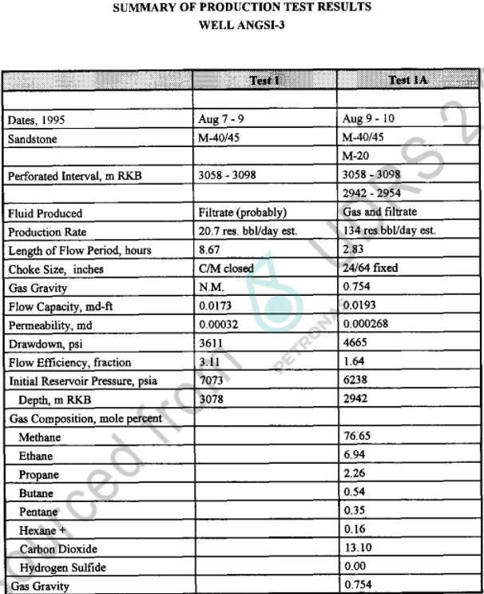
2869.0 |  | 2847.0 |  |  | MDT | Invalid |  | Supercharged | Run #3 | 294
2868.9 |  | 2846.9 |  |  | MDT | Invalid |  | Tight | Run #3 | 294
2863.8 |  | 2841.8 |  |  | MDT | Invalid |  | Supercharged | Run #3 | 294
2884.4 |  | 2862.4 |  |  | MDT | Invalid |  | Seal failure | Run #3 | 295
2884.5 |  | 2862.5 |  |  | MDT | Invalid |  | Tight | Run #3 | 295 |  |  | Page 62
2887.9 |  | 2865.9 |  |  | MDT | Invalid |  | Seal failure | Run #3 | 296
2885.2 |  | 2863.2 |  |  | MDT | Invalid |  | Tight | Run #3 | 296
2906.0 |  | 2884.0 |  |  | MDT | Invalid |  | Seal failure | Run #3 | 296
2905.8 |  | 2883.8 |  |  | MDT | Invalid |  | Tight | Run #3 | 296
2921.0 |  | 2899.0 |  |  | MDT | Invalid |  | Seal failure | Run #3 | 296
2930.0 |  | 2908.0 |  |  | RFT | Invalid |  | Tight | Run #6 | 305
2903.1 |  | 2881.1 |  |  | RFT | Invalid |  | Tight | Run #6 | 305
2932.0 |  | 2910.0 |  |  | RFT | Invalid |  | Seal failure | Run #6 | 305
2945.4 |  | 2923.4 |  |  | RFT | Invalid |  | Seal failure | Run #6 | 305
2947.5 |  | 2925.5 |  |  | RFT | Invalid |  | Seal failure | Run #6 | 306
2946.0 |  | 2924.0 |  |  | RFT | Invalid |  | Seal failure | Run #6 | 307
2965.0 |  | 2943.0 |  |  | RFT | Invalid |  | Seal failure | Run #6 | 307
2981.0 |  | 2959.0 | 6528.5 | 12.93 | RFT | Good |  | Valid | Run #6 | 309
3003.5 |  | 2981.5 |  |  | RFT | Invalid |  | Seal failure | Run #6 | 310
3004.0 |  | 2982.0 |  |  | RFT | Invalid |  | Seal failure | Run #6 | 311
3007.0 |  | 2985.0 |  |  | RFT | Invalid |  | Tight | Run #6 | 312
3007.1 |  | 2985.1 |  |  | RFT | Invalid |  | Seal failure | Run #6 | 312
3059.9 |  | 3037.9 |  |  | RFT | Invalid |  | Tight | Run #6 | 315
3061.0 |  | 3039.0 |  |  | RFT | Invalid |  | Seal failure | Run #6 | 315
3074.5 |  | 3052.5 |  |  | RFT | Invalid |  | Seal failure | Run #6 | 318
3090.0 |  | 3068.0 |  |  | RFT | Invalid |  | Seal failure | Run #6 | 318
3093.5 |  | 3071.5 |  |  | RFT | Invalid |  | Seal failure | Run #6 | 318
3090.3 |  | 3068.3 |  |  | RFT | Invalid |  | Seal failure | Run #6 | 318
3094.8 |  | 3072.8 |  |  | RFT | Invalid |  | Seal failure | Run #6 | 318
3112.4 |  | 3090.4 |  |  | RFT | Invalid |  | Tight | Run #6 | 320
3113.4 |  | 3091.4 |  |  | RFT | Invalid |  | Tight | Run #6 | 321
3119.9 |  | 3097.9 |  |  | RFT | Invalid |  | Seal failure | Run #6 | 322
3120.0 |  | 3098.0 |  |  | RFT | Invalid |  | Tight | Run #6 | 322
3120.8 |  | 3098.8 |  |  | RFT | Invalid |  | Seal failure | Run #6 | 322
3152.0 |  | 3130.0 |  |  | RFT | Invalid |  | Seal failure | Run #6 | 323
3152.5 |  | 3130.5 |  |  | RFT | Invalid |  | Tight | Run #6 | 323
3156.1 |  | 3134.1 |  |  | RFT | Invalid |  | Seal failure | Run #6 | 323
3156.2 |  | 3134.2 |  |  | RFT | Invalid |  | Invalid | Run #6 | 324
3165.2 |  | 3143.2 |  |  | RFT | Invalid |  | Invalid | Run #6 | 325
3245.6 |  | 3223.6 |  |  | RFT | Invalid |  | Invalid | Run #6 | 331
2946.8 |  | 2924.8 | 6490.0 | 13.04 | RFT | Poor |  | Supercharged | Run #7 | 311
2945.4 |  | 2923.4 |  |  | RFT | Invalid |  | Seal failure | Run #7 | 311
3093.2 |  | 3071.2 |  |  | RFT | Invalid |  | Seal failure | Run #7 | 320
3092.0 |  | 3070.0 |  |  | RFT | Invalid |  | Tight | Run #7 | 321
3279.5 |  | 3257.5 |  |  | RFT | Invalid |  | Seal failure | Run #7 | 326
3283.0 |  | 3261.0 |  |  | RFT | Invalid |  | Seal failure | Run #7 | 327
3283.3 |  | 3261.3 | 7816.0 | 14.07 | RFT | Poor |  | Supercharged | Run #7 | 338
3293.0 |  | 3271.0 |  |  | RFT | Invalid |  | Seal failure | Run #7 | 339
3291.5 |  | 3269.5 |  |  | RFT | Invalid |  | Seal failure | Run #7 | 339
3272.7 |  | 3250.7 |  |  | RFT | Invalid |  | Seal failure | Run #7 | 338
3078.0 |  | 3056.0 | 7073 |  | DST | Good |  |  | DST 1
2942.0 |  | 2920.0 | 6238 |  | DST | Good |  |  | DST 1A
 |  |  |  |  |  |  |  |  |  |  |  | Page 17

Casing
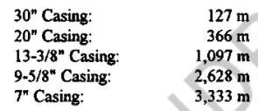
Casing
Casing Shoe Depth (m MD) | Casing Shoe Depth (m TVDDF) | size of casing - inches e.g 13 3/8, 9 5/8
127 |  | 30
366 |  | 20
1097 |  | 13-3/8
2628 |  | 9-5/8
3333 |  | 7

 |  |  | Page 5

Mudweight
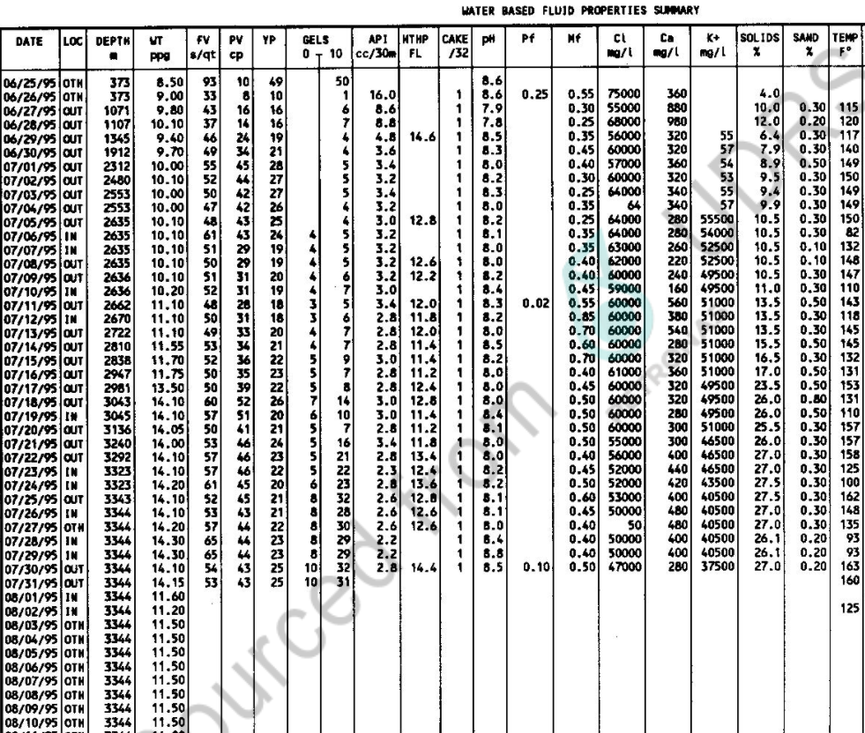
Mud Weight
Depth MD (m) | Mudweight (ppg)
373 | 8.50
373 | 9.00
1071 | 9.80
1107 | 10.10
1345 | 9.40
1912 | 9.70
2312 | 10.00
2480 | 10.00
2553 | 10.00
2553 | 10.00
2635 | 10.10
2635 | 10.10
2636 | 10.10
2636 | 10.20
2662 | 11.10
2670 | 11.10
2722 | 11.10 | Page 37
2810 | 11.55
2838 | 11.70
2947 | 11.75
2981 | 13.50
3043 | 14.10
3045 | 14.10
3136 | 14.05
3240 | 14.00
3292 | 14.10
3323 | 14.10
3323 | 14.20
3343 | 14.10
3344 | 14.10
3344 | 14.20
3344 | 14.30
3344 | 14.10
3344 | 14.15
3344 | 14.15

LOT & FIT
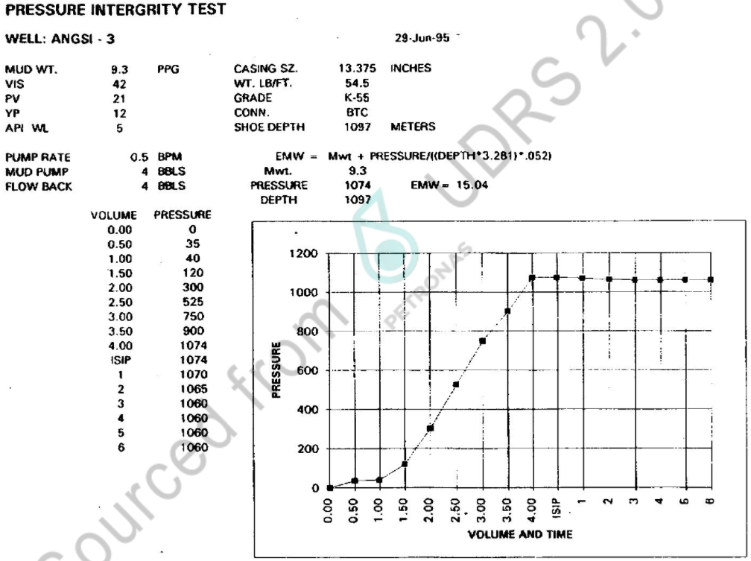
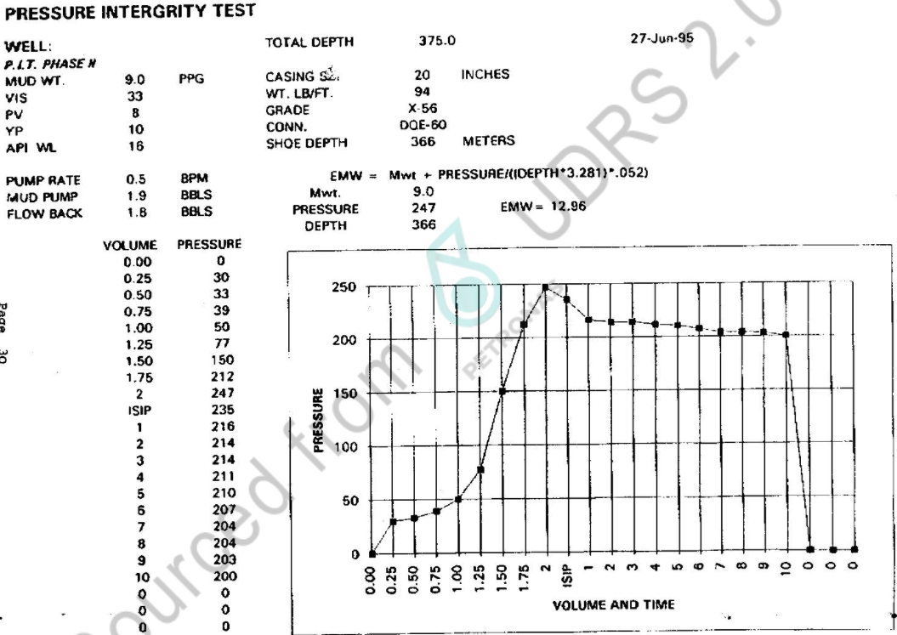
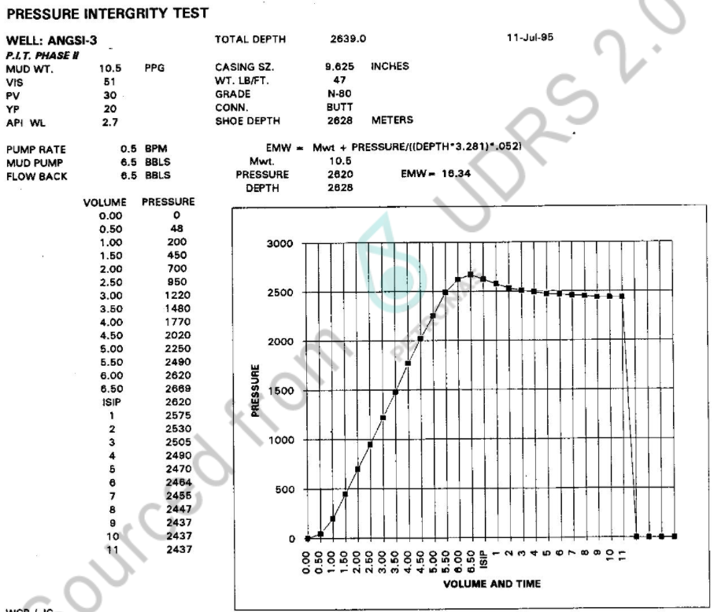
Leak-Off Test and Formation Integrity Test Data |  |  |  |  |  |  | Pressure set name = LOT, LT, or LOT + LT
m MDDF | m TVDDF | EMW (ppg) | Pressure (psi) | Data Type | Quality | Remark
2628 | 2628 | 16.34 | 2620 |  |  | Pressure integrity test at 9-5/8" casing shoe
1097 | 1097 | 15.04 | 1074 |  |  | Pressure integrity test at 13-3/8" casing shoe
366 | 366 | 12.96 | 247 |  |  | Pressure integrity test at 20" casing shoe

EMW Conversion if required:
PPG | SG
input | #VALUE!
#VALUE! | input

NB - actual LOT/LT depth should be the casing shoe depth

 |  |  | Page 38

Deviation
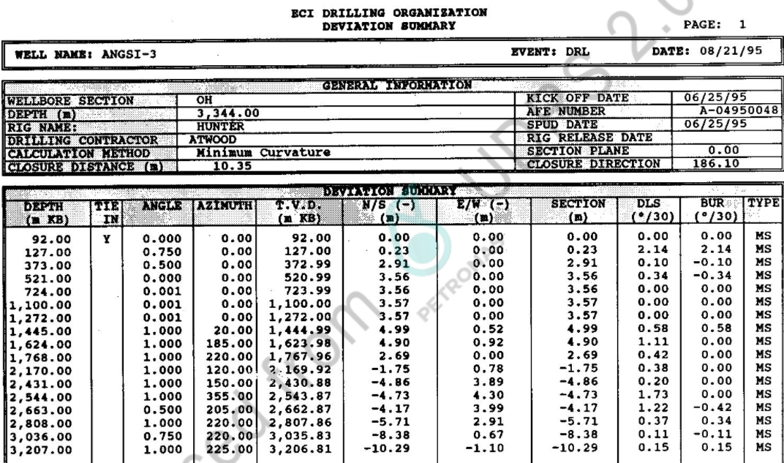
Deviation Data |  |  | OR | Deviation Data
MD (ft) | Inclination (°) | Azimuth |  | MD (ft) | TVD (ft) | X | Y

 | Vertical well (MD=TVD)

 | Dev ASCII available

 |  |  |  |  |  | Page 57

Lithology
Lithological Information
Depth m (MD) | Lithology description | RokDoc Code
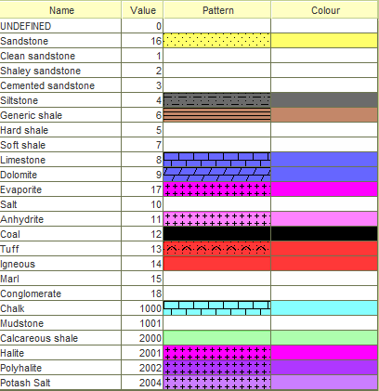

,

Checkshot_time-depth
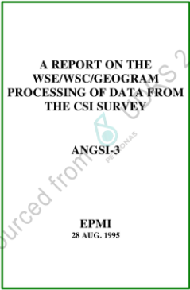
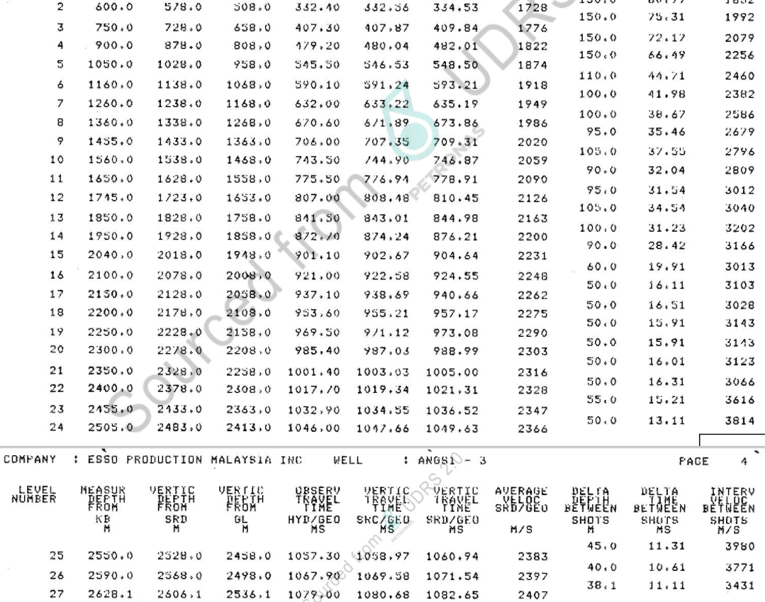
Checkshot Information
MD (m) | TVDSS (m) | TWT (ms) | OWT (ms) | msec or secs?
450 | 428 | 507.08 | 253.54
600 | 578 | 669.06 | 334.53
750 | 728 | 819.68 | 409.84
900 | 878 | 964.02 | 482.01
1050 | 1028 | 1097.00 | 548.50
1160 | 1138 | 1186.42 | 593.21
1260 | 1238 | 1270.38 | 635.19
1360 | 1338 | 1347.72 | 673.86
1455 | 1433 | 1418.62 | 709.31
1560 | 1538 | 1493.74 | 746.87
1650 | 1628 | 1557.82 | 778.91
1745 | 1723 | 1620.90 | 810.45
1850 | 1828 | 1689.96 | 844.98
1950 | 1928 | 1752.42 | 876.21
2040 | 2018 | 1809.28 | 904.64
2100 | 2078 | 1849.10 | 924.55
2150 | 2128 | 1881.32 | 940.66
2200 | 2178 | 1914.34 | 957.17
2250 | 2228 | 1946.16 | 973.08
2300 | 2278 | 1977.98 | 988.99 |  | Page 24-25
2350 | 2328 | 2010.00 | 1005.00
2400 | 2378 | 2042.62 | 1021.31
2455 | 2433 | 2073.04 | 1036.52
2505 | 2483 | 2099.26 | 1049.63
2550 | 2528 | 2121.88 | 1060.94
2590 | 2568 | 2143.08 | 1071.54
2628.1 | 2606.1 | 2165.30 | 1082.65

Drilling Gas
Drilling Gas Information
Depth MD ft | Connection Gas Total (UNITS?) | Trip Gas Total (UNITS?) | Swab Gas Total (UNITS?)
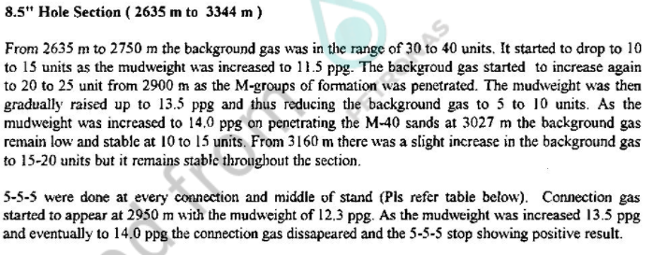

 |  |  |  | Page 18

